Data
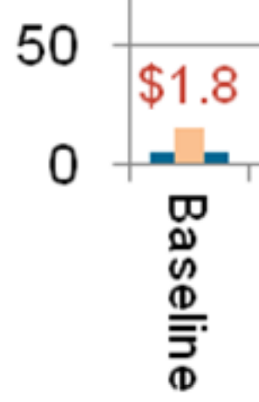
BAU transmission capacity in 2010 is given in the figure caption as
150-200 million MW*miles. The graph shows the additional quantity
of transmission being built in the "baseline" scenario, which extends
to 2050 in the RE Futures Report. We assume the growth is linear
and interpolate.

Unfortunately, data are only available as a graph (not in numbers), so
we must estimate by measuring pixels on the graph.

2010 Transmission (low estimate): | 1.50E+08 | MW*miles
2010 Transmission (high estimate): | 2.00E+08 | MW*miles
2010 Transmission: | 1.75E+08 | MW*miles

BAU New Transmission
Pixels per 50 million MW*miles: | 141 | pixels
Pixel height of new transmission: | 15 | pixels
New transmission quantity in 2050 | 5.32E+06 | MW*miles

2010 | 1.75E+08
2050 | 1.80E+08

2010 | 2011 | 2012 | 2013 | 2014 | 2015 | 2016 | 2017 | 2018 | 2019 | 2020 | 2021 | 2022 | 2023 | 2024 | 2025 | 2026 | 2027 | 2028 | 2029 | 2030 | 2031 | 2032 | 2033 | 2034 | 2035 | 2036 | 2037 | 2038 | 2039 | 2040 | 2041 | 2042 | 2043 | 2044 | 2045 | 2046 | 2047 | 2048 | 2049 | 2050
1.75E+08 | 1.75E+08 | 1.75E+08 | 1.75E+08 | 1.76E+08 | 1.76E+08 | 1.76E+08 | 1.76E+08 | 1.76E+08 | 1.76E+08 | 1.76E+08 | 1.76E+08 | 1.77E+08 | 1.77E+08 | 1.77E+08 | 1.77E+08 | 1.77E+08 | 1.77E+08 | 1.77E+08 | 1.78E+08 | 1.78E+08 | 1.78E+08 | 1.78E+08 | 1.78E+08 | 1.78E+08 | 1.78E+08 | 1.78E+08 | 1.79E+08 | 1.79E+08 | 1.79E+08 | 1.79E+08 | 1.79E+08 | 1.79E+08 | 1.79E+08 | 1.80E+08 | 1.80E+08 | 1.80E+08 | 1.80E+08 | 1.80E+08 | 1.80E+08 | 1.80E+08

Indexed to 2018
2010 | 2011 | 2012 | 2013 | 2014 | 2015 | 2016 | 2017 | 2018 | 2019 | 2020 | 2021 | 2022 | 2023 | 2024 | 2025 | 2026 | 2027 | 2028 | 2029 | 2030 | 2031 | 2032 | 2033 | 2034 | 2035 | 2036 | 2037 | 2038 | 2039 | 2040 | 2041 | 2042 | 2043 | 2044 | 2045 | 2046 | 2047 | 2048 | 2049 | 2050
9.94E-01 | 9.95E-01 | 9.95E-01 | 9.96E-01 | 9.97E-01 | 9.98E-01 | 9.98E-01 | 9.99E-01 | 1.00E+00 | 1.00E+00 | 1.00E+00 | 1.00E+00 | 1.00E+00 | 1.00E+00 | 1.00E+00 | 1.01E+00 | 1.01E+00 | 1.01E+00 | 1.01E+00 | 1.01E+00 | 1.01E+00 | 1.01E+00 | 1.01E+00 | 1.01E+00 | 1.01E+00 | 1.01E+00 | 1.01E+00 | 1.01E+00 | 1.02E+00 | 1.02E+00 | 1.02E+00 | 1.02E+00 | 1.02E+00 | 1.02E+00 | 1.02E+00 | 1.02E+00 | 1.02E+00 | 1.02E+00 | 1.02E+00 | 1.02E+00 | 1.02E+00

2018 value from EIA (citcuit-miles) | 700000

